Sheet1
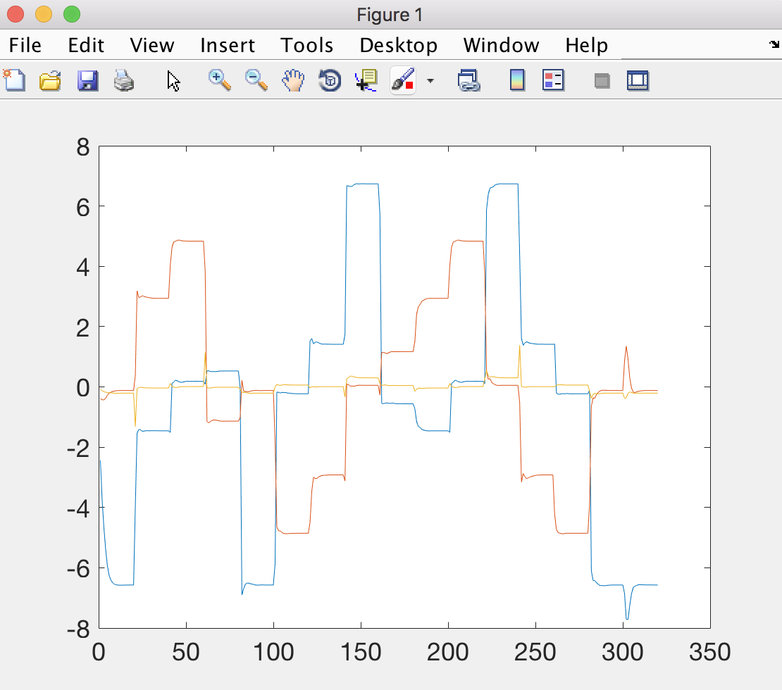
System states (which lights are on) |  |  |  | Nonlinear principal components
state 0 | state 1 | state 2 |  | pc 0 (blue) | pc 1 (red) | pc 3 (orange)
0 | 0 | 0 |  | -6 | 0 | 0
1 | 0 | 0 |  | -1 | 3 | 0
0 | 1 | 0 |  | 0.5 | -1 | 0
1 | 1 | 0 |  | 0 | 5 | 0
0 | 0 | 1 |  | 0 | -5 | 0
1 | 0 | 1 |  | -0.5 | 1 | 0
0 | 1 | 1 |  | 1 | -3 | 0
1 | 1 | 1 |  | 6 | 0 | 0
Look at the symmetry! |  |  | This is like a tesseract of a cube! |  |  | NLPCA learned to represent the problem in fewer dimensions!
(who knows, this might just be extreme luck)

